Case
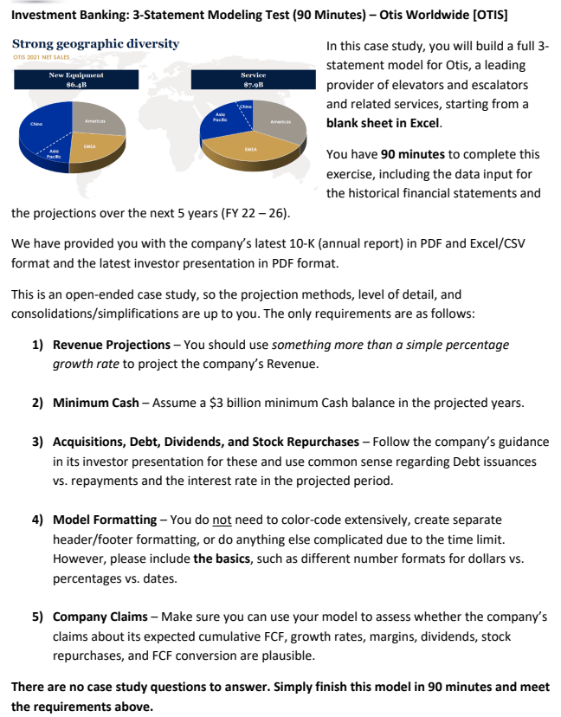

Publicly available case created by breakingintowallstreet.com

Income Statement
Otis
Income Statement | 2019-12-31 | 2020-12-31 | 2021-12-31 | 2022-12-31 | 2023-12-31 | 2024-12-31 | 2025-12-31 | 2026-12-31

Otis predicted that Service sales would reach $10b by 2026 -> current projections might be a bit optimistic
However, annual percentage growth in line with expected range
Revenue
Product sales | $5,648 | $5,371 | $6,428 | $6,685 | $7,030 | $7,391 | $7,654 | $7,884
Service sales | $7,470 | $7,385 | $7,870 | $8,470 | $9,073 | $9,671 | $10,260 | $10,832
Total Sales | $13,118 | $12,756 | $14,298 | $15,155 | $16,102 | $17,063 | $17,914 | $18,716

COGS
Cost of products sold | 4,640 | 4,439 | 5,293 | 5,507 | 5,791 | 6,089 | 6,306 | 6,495
Cost of services sold | 4,652 | 4,538 | 4,812 | 5,220 | 5,591 | 5,960 | 6,323 | 6,675
Total COGS | $9,292 | $8,977 | $10,105 | $10,727 | $11,382 | $12,049 | $12,628 | $13,170

Gross Margin | $3,826 | $3,779 | $4,193 | $4,428 | $4,720 | $5,014 | $5,286 | $5,546
 | 29.2% | 29.6% | 29.3% | 29.2% | 29.3% | 29.4% | 29.5% | 29.6%

Total OPEX | $1,973 | $2,076 | $2,107 | $2,326 | $2,472 | $2,619 | $2,750 | $2,873

Keep "Other" constant as it only accounts for a small proportion + hard to predict
Other (Non-operating) | $(39) | $(64) | $22 | $22 | $22 | $22 | $22 | $22
Operating profit | $1,814 | $1,639 | $2,108 | $2,124 | $2,271 | $2,417 | $2,558 | $2,695

Non-service pension cost (benefit) | $(33) | $6 | $11 | $11 | $11 | $11 | $11 | $11
Interest expense (income) | $(14) | $122 | $136 | $182 | $176 | $172 | $169 | $165
Net income before taxes | $1,861 | $1,511 | $1,961 | $1,931 | $2,084 | $2,233 | $2,379 | $2,519

Taxes | $594 | $455 | $541 | $577 | $622 | $667 | $711 | $753
Net Income | $1,267 | $1,056 | $1,420 | $1,354 | $1,461 | $1,566 | $1,668 | $1,767

Less: Noncontrolling interest | $151 | $150 | $174 | $173 | $187 | $200 | $213 | $226
Net income attributable to Otis Worldwide Corporation | $1,116 | $906 | $1,246 | $1,181 | $1,274 | $1,366 | $1,455 | $1,541

Balance Sheet
Otis
Balance Sheet | 2019-12-31 | 2020-12-31 | 2021-12-31 | 2022-12-31 | 2023-12-31 | 2024-12-31 | 2025-12-31 | 2026-12-31

Assets
Cash and cash equivalents |  | $1,799 | $3,475 | $3,000 | $3,000 | $3,000 | $3,000 | $3,000
Accounts receivable (net of allowance for expected credit losses of $175 and $161) |  | $3,148 | $3,232 | $3,583 | $3,807 | $4,034 | $4,235 | $4,425
Inventory & Other |  | $1,546 | $1,554 | $1,748 | $1,855 | $1,964 | $2,058 | $2,147
Total Current Assets |  | $6,493 | $8,261 | $8,331 | $8,662 | $8,998 | $9,294 | $9,572

Net PP&E, Goodwill & Intangibles |  | $3,031 | $2,860 | $2,827 | $2,791 | $2,754 | $2,715 | $2,674
Operating lease right-of-use assets |  | $542 | $526 | $594 | $631 | $669 | $702 | $734
Other assets |  | $644 | $632 | $636 | $636 | $631 | $622 | $609
Total Assets |  | $10,710 | $12,279 | $12,388 | $12,720 | $13,052 | $13,333 | $13,588

Liabilities
Accounts payable |  | $1,453 | $1,556 | $1,694 | $1,797 | $1,903 | $1,994 | $2,080
Accrued liabilities |  | $1,977 | $1,993 | $2,233 | $2,369 | $2,509 | $2,630 | $2,744
Contract liabilities |  | $2,542 | $2,674 | $2,930 | $3,110 | $3,293 | $3,452 | $3,601
Total Current Liabilities |  | $5,972 | $6,223 | $6,857 | $7,277 | $7,704 | $8,076 | $8,425

For Operating lease right-of-use liabilities, you can scale it with the difference in operating lease right-of-use assets (under GAAP, unde IFRS you cannot)
Total Debt |  | $5,963 | $7,273 | $7,040 | $6,896 | $6,743 | $6,585 | $6,421
Operating lease liabilities |  | $367 | $336 | $404 | $441 | $479 | $512 | $544
Other long-term liabilities |  | $1,609 | $1,431 | $1,715 | $1,820 | $1,927 | $2,020 | $2,108
Total Liabilities |  | $13,911 | $15,263 | $16,016 | $16,434 | $16,853 | $17,194 | $17,498

Equity
Total Shareholders' (Deficit) Equity |  | ($3,862) | ($3,625) | ($4,271) | ($4,359) | ($4,449) | ($4,512) | ($4,563)
Noncontrolling interest |  | $661 | $641 | $643 | $645 | $648 | $650 | $653
Total (Deficit) Equity |  | ($3,201) | ($2,984) | ($3,627) | ($3,714) | ($3,801) | ($3,862) | ($3,909)

Balance Check | - | - | - | - | - | - | - | -

Cash Flow
Otis
Cash Flow Statement | 2019-12-31 | 2020-12-31 | 2021-12-31 | 2022-12-31 | 2023-12-31 | 2024-12-31 | 2025-12-31 | 2026-12-31

Operating Activities
Net income attributable to Otis Worldwide Corporation | 1,116 | 906 | 1,246 | 1,181 | 1,274 | 1,366 | 1,455 | 1,541
(+/-) Reversal of NCI Net income | 151 | 150 | 174 | 173 | 187 | 200 | 213 | 226
For assets, take current year - next year, but for liabilities take next year - this year. If next year assets are higher, cash outflow, but if liabilities are higher, cash inflow.
FY22 higher, but everything afterwards seems fine
(+) D&A | 180 | 191 | 203 | 217 | 230 | 244 | 256 | 268
(+/-) Pensions/Other Items | 54 | 156 | (33) | 71 | 75 | 80 | 84 | 88
(+/-) Change in WC & Leases | (32) | 77 | 160 | 372 | 195 | 199 | 170 | 158
Net cash flows by (used in) operating activities | 1,469 | 1,480 | 1,750 | 2,014 | 1,961 | 2,088 | 2,178 | 2,280

Investing Activities
(-) CapEx | (145) | (183) | (156) | (183) | (195) | (207) | (217) | (227)
(+/-) Acquisitions & Other Items | (58) | (170) | 67 | (75) | (75) | (75) | (75) | (75)
Net cash flows by (used in) investing activities | (203) | (353) | (89) | (258) | (270) | (282) | (292) | (302)

Financing Activities
(+/-) Change in Debt | 6 | 5,947 | 1,375 | (233) | (144) | (153) | (158) | (164)
(-) Dividends paid on Common Stock | — | (260) | (393) | (508) | (548) | (587) | (626) | (663)
Case mentioned to assume a $3 billion minimun cash balance. From the powerpoint, Otis mentioned that excess cash would go to repaying debt and repurchasing shares.
This is why net cash flow after 2022 is 0 as all excess cash is used -> this is not really the case but for this case we assume so.
(-) Repurchase of common stock | — | — | (725) | (1,319) | (815) | (869) | (893) | (929)
(-) Dividends paid to noncontrolling interest | (163) | (149) | (155) | (171) | (185) | (198) | (211) | (223)
(+/-) Other Items | (976) | (6,382) | (44) | 0 | 0 | 0 | 0 | 0
Net cash flows provided by (used in) financing activities | (1,133) | (844) | 58 | (2,231) | (1,692) | (1,808) | (1,887) | (1,979)

FX rate effect on cash and cash equivalents | (20) | 59 | (43) | 0 | 1 | 1 | 1 | 1

Net Cash Flow | 113 | 342 | 1,676 | (475) | (0) | 0 | (0) | 0

Projections
Otis
Projections | 2019-12-31 | 2020-12-31 | 2021-12-31 | 2022-12-31 | 2023-12-31 | 2024-12-31 | 2025-12-31 | 2026-12-31

Medium outlook expected growth "low single digts"
Keeping the proportion of market share constant, slight growth
Mentioned in the powerpoint an expected 4%-6% growth in 2022, 3% in 2026
Growth roughly in line with inflation
Income Statement
New Equipment Market Size | $35,300 | $31,594 | $35,711 | $37,140 | $38,625 | $40,170 | $41,375 | $42,617
Growth Rate |  | -10.5% | 13.0% | 4.0% | 4.0% | 4.0% | 3.0% | 3.0%

New Equipment Market Share | 16.0% | 17.0% | 18.0% | 18.0% | 18.2% | 18.4% | 18.5% | 18.5%

Service Units (millions) | 2.00 | 2.10 | 2.15 | 2.26 | 2.36 | 2.45 | 2.54 | 2.62
Growth Rate |  | 5.0% | 2.4% | 5.0% | 4.5% | 4.0% | 3.5% | 3.0%

Revenue per Service Unit | $3,735 | $3,517 | $3,660 | $3,752 | $3,846 | $3,942 | $4,040 | $4,141
Growth Rate |  | -5.8% | 4.1% | 2.5% | 2.5% | 2.5% | 2.5% | 2.5%

As COGS for both new equipment and service units and OPEX are within a certain range, can take average as a quick projection
COGS (% of Sales)
New Equipment | 82.2% | 82.6% | 82.3% | 82.4% | 82.4% | 82.4% | 82.4% | 82.4%
Service Units | 62.3% | 61.4% | 61.1% | 61.6% | 61.6% | 61.6% | 61.6% | 61.6%

OPEX (% of Sales) | 15.0% | 16.3% | 14.7% | 15.4% | 15.4% | 15.4% | 15.4% | 15.4%

Tax Rate | 31.9% | 30.1% | 27.6% | 29.9% | 29.9% | 29.9% | 29.9% | 29.9%

NCI Net Income % of Total | 11.9% | 14.2% | 12.3% | 12.8% | 12.8% | 12.8% | 12.8% | 12.8%

Balance Sheet

Accounts receivable (% Sales) |  | 24.7% | 22.6% | 23.6% | 23.6% | 23.6% | 23.6% | 23.6%
Inventory & Other (% COGS) |  | 17.2% | 15.4% | 16.3% | 16.3% | 16.3% | 16.3% | 16.3%
Operating lease right-of-use assets (% OPEX) |  | 26.1% | 25.0% | 25.5% | 25.5% | 25.5% | 25.5% | 25.5%

Accounts payable (% COGS) |  | 16.2% | 15.4% | 15.8% | 15.8% | 15.8% | 15.8% | 15.8%
Accrued liabilities (% Total Expenses) |  | 17.9% | 16.3% | 17.1% | 17.1% | 17.1% | 17.1% | 17.1%
Contract liabilities (% Total Expenses) |  | 23.0% | 21.9% | 22.4% | 22.4% | 22.4% | 22.4% | 22.4%
Other liabilities (% Total Expenses) |  | 14.6% | 11.7% | 13.1% | 13.1% | 13.1% | 13.1% | 13.1%

Cash Flow Statement
In powerpoint, Otis gave a $50-$100M "bolt on" M&A capital allocation -> taking middle of the range
Dividend ratio of around 35-40%
Excess cash goes to share repurchasing
Assume a slight increase in interest rates as the current rates are relatively low -> looking at the maturing debts, most debt are far from maturing
According to Otis powerpoint, we assume an 85/15 split of stock repurchase/debt repayment with excess cash past $3 billion. No actual number was given, simply an assumption. Could easily be 80/20 or 75/25 based on visualization given.
For Other Items (% Debt Issuances), since so many values were consolidated, the percentages don't make sense -> only use most recent percentage as reference (2021)
CapEx (% Revenue) | -1.1% | -1.4% | -1.1% | -1.2% | -1.2% | -1.2% | -1.2% | -1.2%
D&A (% Revenue) | 1.4% | 1.5% | 1.4% | 1.4% | 1.4% | 1.4% | 1.4% | 1.4%
Pensions/Other Items (% Revenue) | 0.4% | 1.2% | -0.2% | 0.5% | 0.5% | 0.5% | 0.5% | 0.5%

Acquisitions & Other | (58) | (170) | 67 | (75) | (75) | (75) | (75) | (75)

Interest expense (% Debt) |  | 2.0% | 1.9% | 2.5% | 3.0% | 3.0% | 3.5% | 3.5%

Excess Cash Flow |  |  |  | 1,552 | 959 | 1,022 | 1,050 | 1,093
% Stock Repurchase |  |  |  | 85.0% | 85.0% | 85.0% | 85.0% | 85.0%
% Debt Repayment |  |  |  | 15.0% | 15.0% | 15.0% | 15.0% | 15.0%

Change in Debt |  |  |  | (233) | (144) | (153) | (158) | (164)

Common Dividends (% Net Income) | - | 24.6% | 27.7% | 37.5% | 37.5% | 37.5% | 37.5% | 37.5%
Stock Repurchases |  |  |  | (1,319) | (815) | (869) | (893) | (929)
Dividends to NCI (% NCI Net Income) | 107.9% | 99.3% | 89.1% | 98.8% | 98.8% | 98.8% | 98.8% | 98.8%

Other Items (% Debt Issuances) | 16266.7% | 107.3% | 3.2% | 2.0% | 2.0% | 2.0% | 2.0% | 2.0%
FX Rate Effects (% Revenue) | -0.2% | 0.5% | -0.3% | 0.0% | 0.0% | 0.0% | 0.0% | 0.0%

